Compression spring
 | COMPRESSION SPRING DESIGN SHEET by Eleazar Archer |  |  |  |  |  |  | NOTE: Only change values in green cells

1 | Spring Installation condition |  |  |  | 2 | Pre-select spring geometric properties
 |  |  |  |  |  | Define desired spring geometry below
 | Select an installation condition from below |  |  |  |  | Wire diameter, d = |  | 5 | mm
 | In a hole |  |  |  |  | Allowan from rod = |  | 15 | mm
 |  |  |  |  |  | Rod diameter, drod = |  | 30 | mm | 3 to 15 Na
 |  |  |  |  |  | Nominal diameter, D = |  | 50 | mm

3 | Spring index, C |  |  |  | 4 | Curvature effect, KB
Note:
This value must be between 4 and 12. Cell will turn red if its value is outside this range
 | Spring index, C = | D/d |  |  |  | Curvature effect, KB = |  | (4C+2)/(4C-3)
 | = | 10 |  |  |  |  | = | 1.1351351351

5 | Maximum shear stress in spring |  |  |  | 6 | Spring material strength
Note:
This value must be greater than or equal to 0.15. Cell will turn red if its value is outside this range
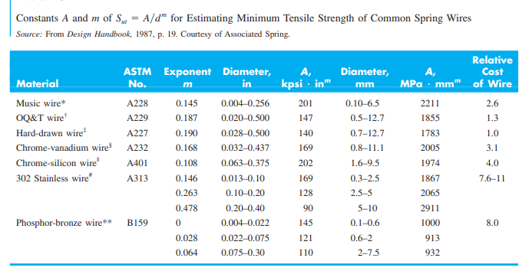
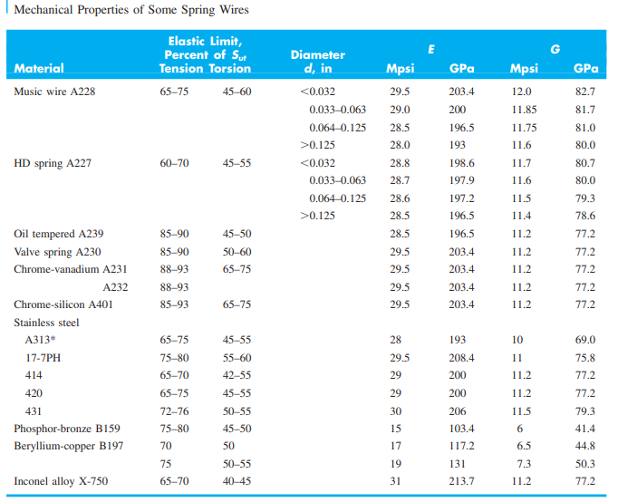
 | Overun to closure factor, Ꜫ = |  | 0.15

 | Maximum spring force, Fmax= |  | 500 | N
 | Maximum shear stress, Ts = |  | (8Kb(1+Ꜫ)*Fmax*D)/(pi*d^3)
 |  | = | 664.75132038 | MPa

7 | Factor of safety ns
Note:
This value must be greater than or equal to 1.2. Cell will turn red if its value is outside this range
 | ns = | Ssy/Ts
 | = | 1.8901344527

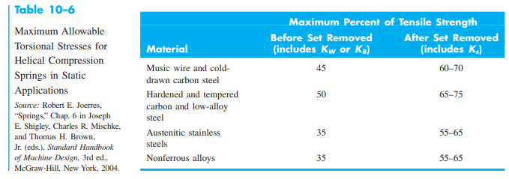

 |  |  |  |  |  | Chosen material |  | Music Wire
 |  |  |  |  |  | Tensil strength, Sut = |  | A/d^m | MPa
 |  |  |  |  |  | A = |  | 2211 | MPa
 |  |  |  |  |  | m = |  | 0.145
 |  |  |  |  |  | Sut = |  | 2792.1541625 | MPa
 |  |  |  |  |  | Sut to Ssy conversio = |  | 0.45 | percent
 |  |  |  |  |  | Yeild strength Ssy = |  | 1256.4693731 | MPa
 |  |  |  |  |  | Torsional modulus, G= |  | 82700 | MPa

8 | Design spring geometries

Note:
This value must be between 3 and 15. Cell will turn red if its value is outside this range
 | Outer spring diameter, OD = |  | D+d |  | Maximum deflection, ymax = |  |  | 140 | mm
 |  | = | 55 | mm
 |  |  |  |  | Number of active coils, Na = |  |  | (G*d^4*ymax)/(8*Fmax*D^3)
 | Internal diameter, ID = |  | D-d |  |  |  | = | 14.4725
 |  | = | 50 | mm

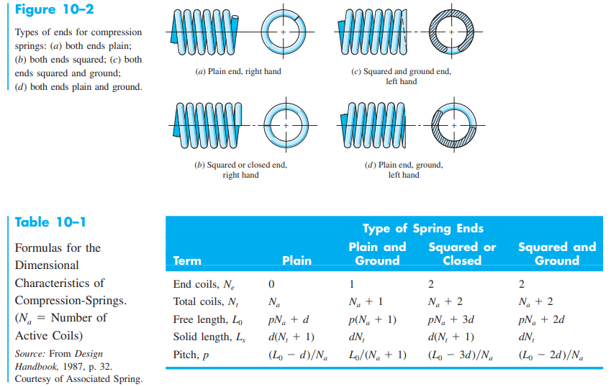

 | Number of total coils, Nt = |  | 16.4725
 | Free length, Lo = |  | 222.3625 | mm
 | Solid length, Ls = |  | 82.3625 | mm
 | Pitch, p = |  | 14.673518742

9 | Critical length

Note:
The free length Lo must be less than the critical length, Lcr. This cell will turn red if free length is larger than critical length
 | End condition factor α = |  | 0.5
 | Critical laength, Lcr = |  | 2.63*D/α
 |  | = | 263

